Table 1
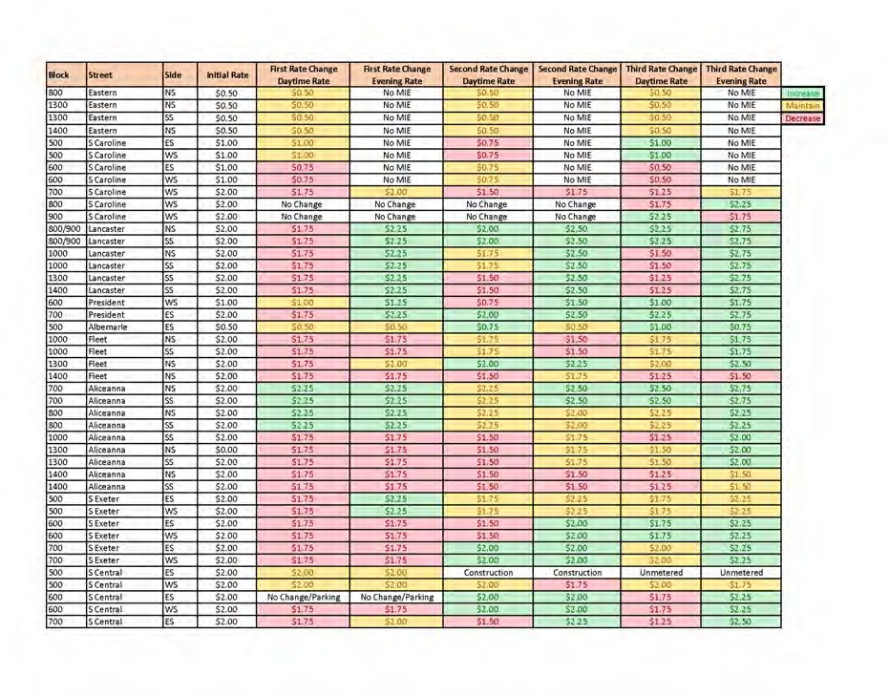 DEMAND BASED PARKING METER RATE ADJUSTMENTS: HARBOR EAST

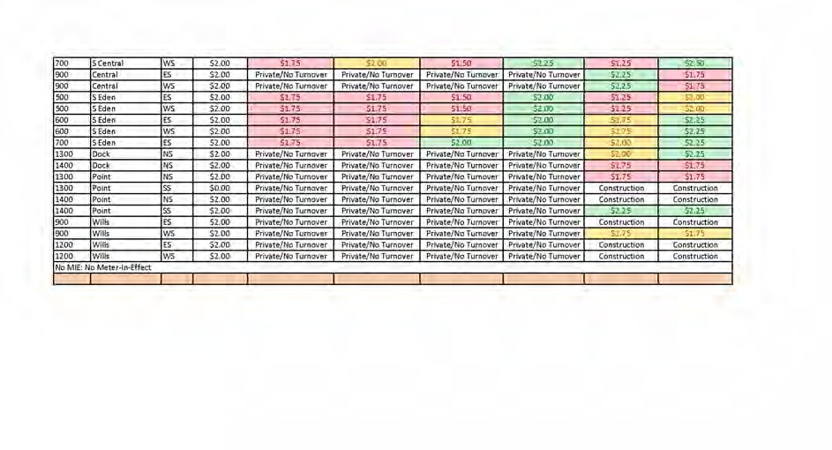 DEMAND BASED PARKING METER RATE ADJUSTMENTS: HARBOR EAST

